Overview
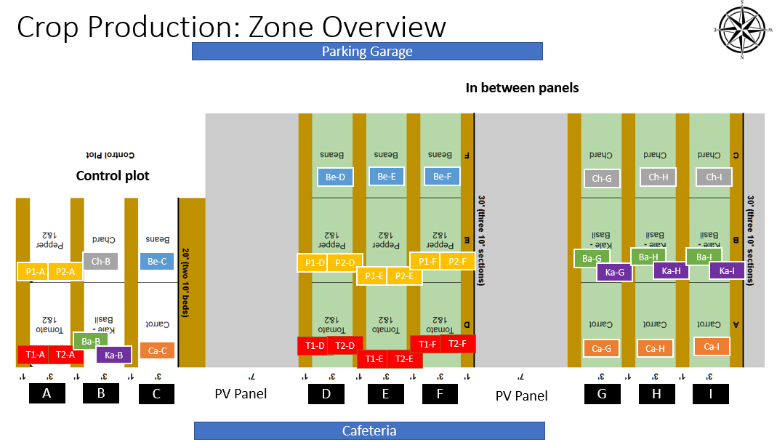
 | Crop | Row | Bed | Code | Simplified Code | Number of Plants as of 6/28/2021
Tabs | Tomato1 | Open air (control) | E | T1-O-E | T1-A | 7
 | Tomato2 | Open air (control) | E | T2-O-E | T2-A | 7
 | Pepper1 | Open air (control) | E | P1-O-E | P1-A | 6
 | Pepper2 | Open air (control) | E | P2-O-E | P2-A | 6
 | Basil | Open air (control) | M | Ba-O-M | Ba-B | 8
 | Kale | Open air (control) | M | Ka-O-M | Ka-B | 5
 | Chard | Open air (control) | M | Ch-O-M | Ch-B | 16
 | Carrots | Open air (control) | W | Ca-O-W | Ca-C
 | Beans | Open air (control) | W | Be-O-W | Be-C | 13
 | Tomato1 | 1 | E | T1-1-E | T1-D | 7
 | Tomato1 | 1 | M | T1-1-M | T1-E | 7
 | Tomato1 | 1 | W | T1-1-W | T1-F | 7
 | Tomato2 | 1 | E | T2-1-E | T2-D | 7
 | Tomato2 | 1 | M | T2-1-M | T2-E | 7
 | Tomato2 | 1 | W | T2-1-W | T2-F | 7
 | Pepper1 | 1 | E | P1-1-E | P1-D | 7
 | Pepper1 | 1 | M | P1-1-M | P1-E | 7
 | Pepper1 | 1 | W | P1-1-W | P1-F | 7
 | Pepper2 | 1 | E | P2-1-E | P2-D | 7
 | Pepper2 | 1 | M | P2-1-M | P2-E | 7
 | Pepper2 | 1 | W | P2-1-W | P2-F | 7
 | Beans | 1 | E | Be-1-E | Be-D | 20
 | Beans | 1 | M | Be-1-M | Be-E | 25
 | Beans | 1 | W | Be-1-W | Be-F | 12
 | Carrots | 2 | E | Ca-2-E | Ca-G
 | Carrots | 2 | M | Ca-2-M | Ca-H
 | Carrots | 2 | W | Ca-2-W | Ca-I
 | Basil | 2 | E | Ba-2-E | Ba-G | 8
 | Basil | 2 | M | Ba-2-M | Ba-H | 7
 | Basil | 2 | W | Ba-2-W | Ba-I | 6
 | Kale | 2 | E | Ka-2-E | Ka-G | 8
 | Kale | 2 | M | Ka-2-M | Ka-H | 8
 | Kale | 2 | W | Ka-2-W | Ka-I | 8
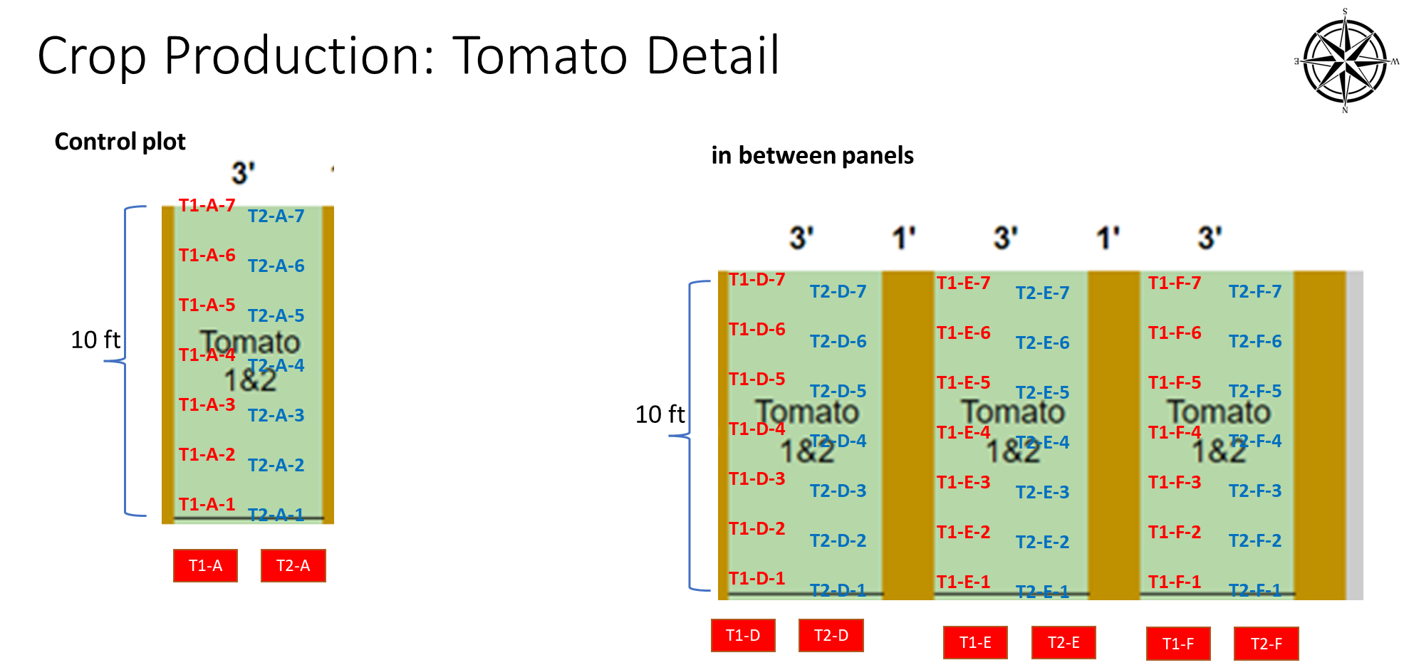
 | Chard | 2 | E | Ch-2-E | Ch-G | 16
 | Chard | 2 | M | Ch-2-M | Ch-H | 16
 | Chard | 2 | W | Ch-2-W | Ch-I | 15

Similar Templates
Tomato
Pepper

Kale
Chard
Basil

Beans

Carrots

